Steps
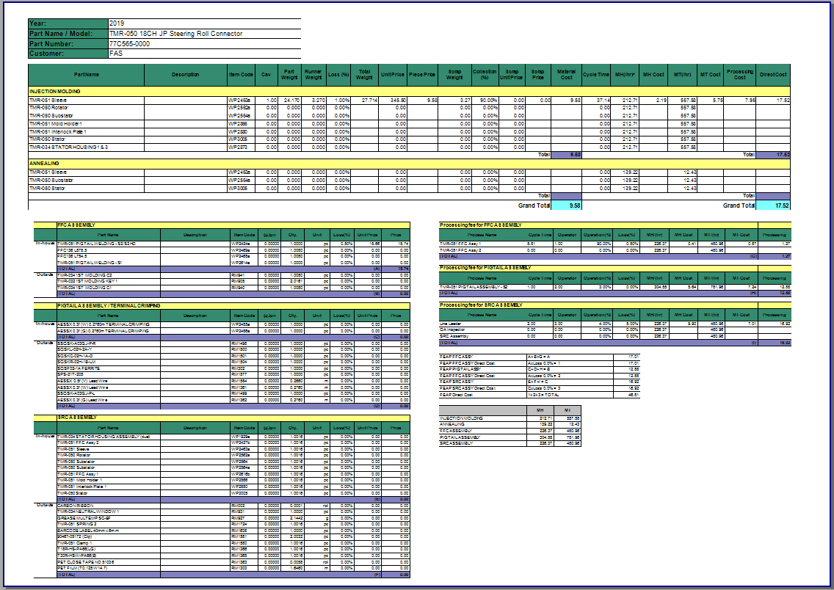
Step 1: Open the MIA icon on desktop

Step 2: Login
 | username: toide
 | password: P@ssw0rd123
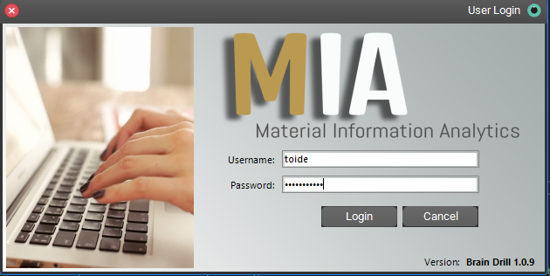

Step 3: Click the BOM icon
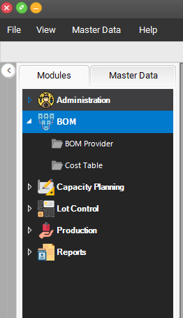

Step 4: Click the cost Table icon
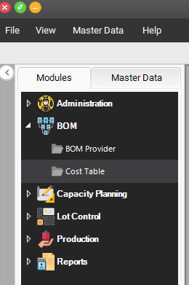

Step 5: Select the item that you want to open the click Construction Area

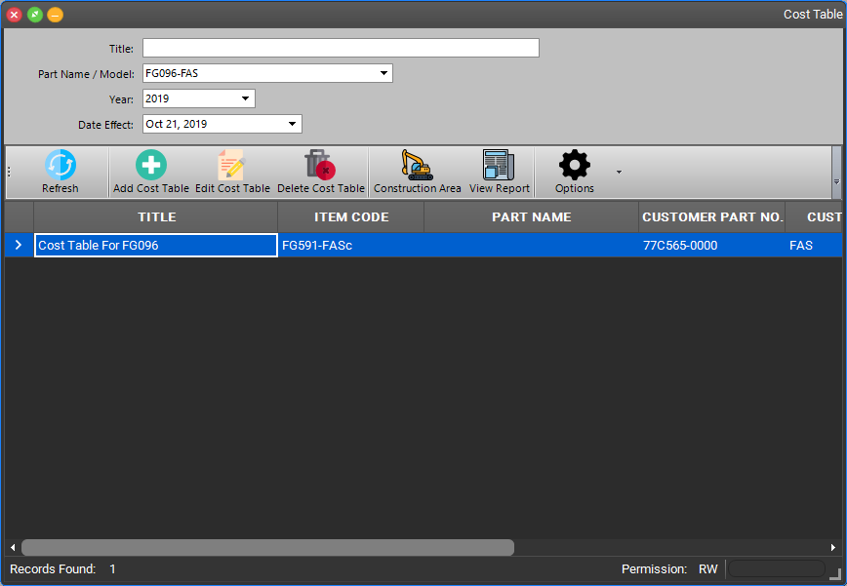

Step 6: The constrction window will open, PC and APQP are incharge to manage this portion.
 | To open the cost table editor click Open Editor button
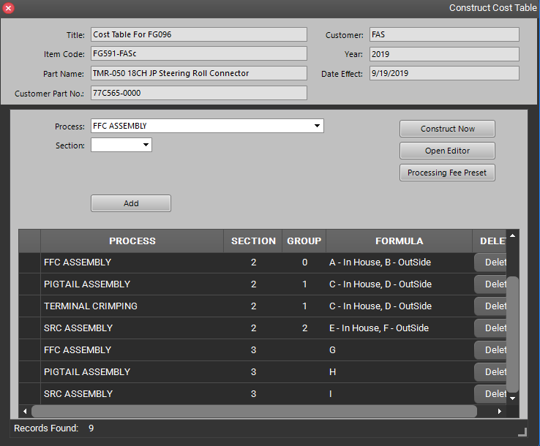

Step 7: This is the main editor of cost table, the incharge person can edit the values here then click to apply the modification
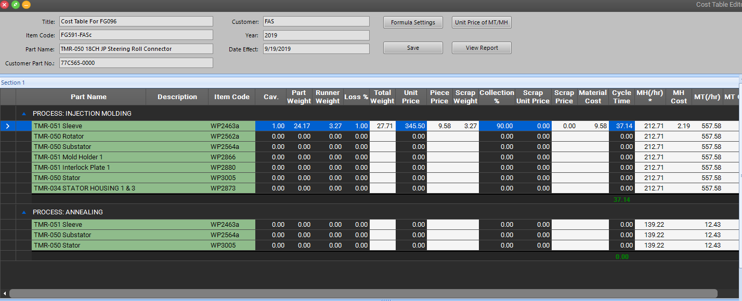

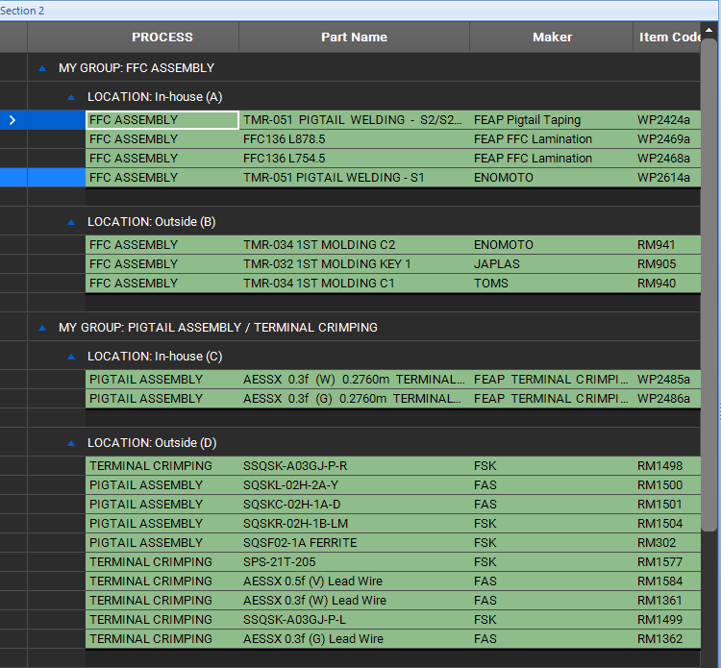
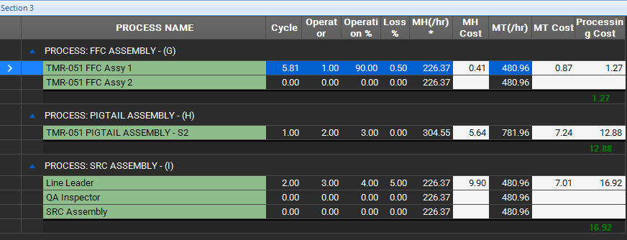

Step 8: To open the printable report click View Report

Step 9: This is the printable report

